Bug Report
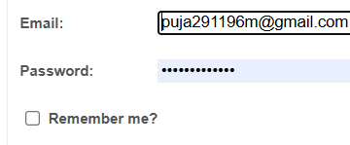
BUG_ID | Priority | Bug Description | Pre- Conditions | Bug Steps | Expected Results | Actual Results | Status | Executed By | Screenshot/ Video
BUG_001 | High | Users should forget password link navigated but not get recovered. | 1. Open the Browser 2. Enter the Url- https://demowebshop.tricentis.com/ | 1. Good Internet 2. Open Browser 3. Put on Url 4. Click on login 5. Go to login page | Not User Friendly | Not User Friendly | Fail | Puja Kumari
BUG_002 | High | Users should checking Remember Me functionality | 1. Open the Browser 2. Enter the Url- https://demowebshop.tricentis.com/ | 1. Good Internet 2. Open Browser 3. Put on Url 4. Click on login 5. Go to login page 6. Check the Remember Me box, log in, then close and reopen the browser | Not User Friendly | Not User Friendly | Fail | Puja Kumari
BUG_003 | Medium | The user should Live chat window open or not. | 1. Open the Browser 2. Enter the Url- https://demowebshop.tricentis.com/ | 1. Good Internet 2. Open Browser 3. Put on Url 4. Click on the Live Chat button | Not User Friendly | Not User Friendly | Fail | Puja Kumari
BUG_004 | Medium | Search box by putting any letter or suggestion related to the product not found | 1. Open the Browser 2. Enter the Url- https://demowebshop.tricentis.com/ | 1. Good Internet 2. Open Browser 3. Put on Url 4. Open Home Page 5. Click on Search bar is visible | Not User Friendly | Not User Friendly | Fail | Puja Kumari
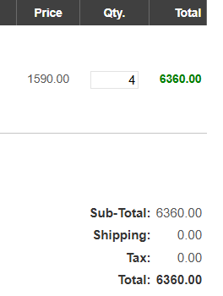
BUG_005 | Medium | Product price-related symbol in the add to cart page not found like dollar, rupees and so on. | 1. Open the Browser 2. Enter the Url- https://demowebshop.tricentis.com/ | 1. Good Internet 2. Open Browser 3. Put on Url 4. Add a product to the cart 5. Check the cart icon 6. Go to Cart Page | Not User Friendly | Not User Friendly | Fail | Puja Kumari
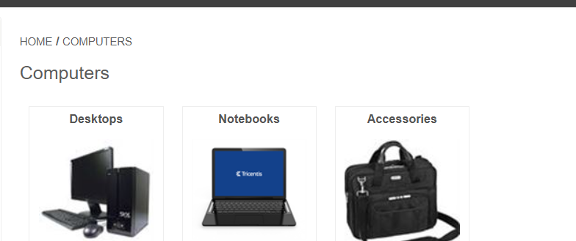
BUG_006 | Medium | Product related detail does not found in the cart page | 1. Open the Browser 2. Enter the Url- https://demowebshop.tricentis.com/ | 1. Good Internet 2. Open Browser 3. Put on Url 4. Add a product to the cart 5. Check the cart icon 6. Go to cart page | Not User Friendly | Not User Friendly | Fail | Puja Kumari
BUG_007 | Medium | Users should not found Add to wishlist button | 1. Open the Browser 2. Enter the Url- https://demowebshop.tricentis.com/ | 1. Good Internet 2. Open Browser 3. Put on Url 4. Go to the product 5. Check the wishlist button | Not User Friendly | Not User Friendly | Fail | Puja Kumari

BUG_008 | Medium | Users should not found in a wishlisht button product added | 1. Open the Browser 2. Enter the Url- https://demowebshop.tricentis.com/ | 1. Good Internet 2. Open Browser 3. Put on Url 4. Go to the product 5. Check the wishlist button | Not User Friendly | Not User Friendly | Fail | Puja Kumari
BUG_009 | Medium | Adding multiple products to the wishlist | 1. Open the Browser 2. Enter the Url- https://demowebshop.tricentis.com/ | 1. Good Internet 2. Open Browser 3. Put on Url 4. Go to the product 5. Check the wishlist button | Not User Friendly | Not User Friendly | Fail | Puja Kumari
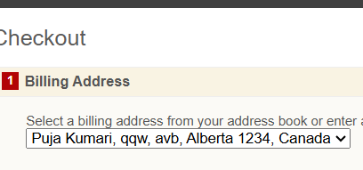
BUG_0010 | High | Users checkout with invalid shipping details | 1. Open the Browser 2. Enter the Url- https://demowebshop.tricentis.com/ | 1. Good Internet 2. Open Browser 3. Put on Url 4. Go to the product 5. Add product to the cart 6. Navigate to the cart page 7. Enter incorrect/incomplete shipping details and try to proceed | Not User Friendly | Not User Friendly | Fail | Puja Kumari
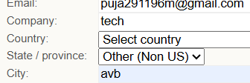
BUG_0011 | High | Users Checkout with in place of a valid city name put on invalid | 1. Open the Browser 2. Enter the Url- https://demowebshop.tricentis.com/ | 1. Good Internet 2. Open Browser 3. Put on Url 4. Go to the product 5. Add product to the cart 6. Navigate to the cart page 7. Enter incorrect/incomplete shipping details and try to proceed | Not User Friendly | Not User Friendly | Fail | Puja Kumari
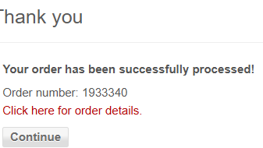
BUG_0012 | Medium | Users clicking for order details for "Continue" button not get order detail page | 1. Open the Browser 2. Enter the Url- https://demowebshop.tricentis.com/ | 1. Good Internet 2. Open Browser 3. Put on Url 4. Go to the product 5. Add product to the cart 6. Complete checkout process 7. Navigate to Order History | Not User Friendly | Not User Friendly | Fail | Puja Kumari

